Sheet1
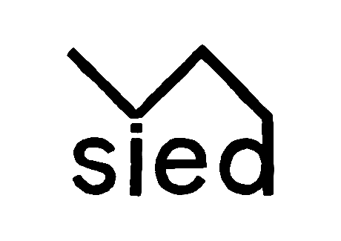
 | Corporate Day Booking Form

Business Name |  | -
Name of Contact |  | -
Email for Invoice |  | -
PO number (if required) |  | -
Location |  | -
Date of Function |  | -
Time of Arrival |  | -
Time for Departure |  | -
Total number of Guests |  | -
Any Dietary Requirements
Please note, all dietary requirements must be stated by the Friday before
event to guarantee availability and alternatives.
Vegetarian |  | -
Vegan |  | -
Dairy Free |  | -
Gluten Free |  | -
Any other |  | -

Please complete for quote/booking

What |  | Price ph | Quanity | Total Price | Demonstration Options
Bronze Package |  | £45.00 |  | £- | 1 | Breads, Pate & Dips
Morning 1/2 day with cookery demo of your choice. Tea and coffee on arrival |  |  |  |  | 2 | Brownie and Lemon & Poppy Seed Drizzle
with cold buffet or graze board lunch to finish. No venue hire payable for |  |  |  |  | 3 | Rolled Chicken Breast, Seasonal Vegetables and Cider Gravy
the morning, the afternoon session can be added (see additions bellow). |  |  |  |  | 4 | Breads and Salads
Miniumun 10 people, Maximum 35 |  |  |  |  | 5 | Seasonal Bakes
Silver Package |  | £85.00 |  | £-
Morning 1/2 day with hands on cookery workshop of your choice. Tea and |  |  |  |  | Hands-on Workshop Options
coffee on arrival and cold buffet or graze board lunch to finish. No venue hire |  |  |  |  | 1 | Bread and Minestrone
payable for the morning, the afternoon can be added (see payable |  |  |  |  | 2 | Lemon and Poppy Seed Drizzle Cake
additions bellow). Min 6 people, Maximum 15 |  |  |  |  | 3 | Quiche and Salads
Gold Package |  | £110.00 |  | £- | 4 | Chicken & Leek Pie
Full day with hands on cookery workshop and demo of your choice with tea |  |  |  |  | 5 | Fish Cakes & Salads
and coffee on arrival, cold buffet or graze board lunch.
Tea and coffee, post lunch
Minumum 5 people, Maximum 15
Bespoke Packages |  | TBC
If you can't see what you'd like above, we're able to put together a bespoke
package for you. Minimum value will be £150 per person but will depend on
your choice. Examples include
foroging, castle picninc, campfire, hill walk, yoga etc
 |  |  | Total | £-

Payable Aditions |  | Price | Quantity | Total Price
Venue Hire Morning 9am-12:30pm |  | £100.00 |  | £-
Venue Hire Afternoon 1:30pm-5pm |  | £100.00 |  | £-
Breakfast Danish |  | £1.80 |  | £-
Mixture of Cakes |  | £2.90 |  | £-
Coffee / Tea |  | £2.50 |  | £-
2 Course Meal of the Day |  | £15.00 |  | £-
To be arranged in advance.
Packed Lunch |  | £7.50 |  | £-
Ham Salad Sandwich, Crisps, Yogurt, Cold Drink
Cold Buffet |  | £10.00 |  | £-
Quiche, 3 Salads, Sliced Ham, Welsh Cheeses, Fruit, Chutney
Sandwich Board |  | £8.50 |  | £-
Mixed Sandwiches, Crisps, Coleslaw, Yogurt
Graze Boards |  | £10.00 |  | £-
Charcuterie, Welsh cheeses, bread, fresh fruit, Y Sied beetroot chutney, mixed seeds,
olive oil & balsamic dip, olives and artichoke hearts
 |  | Total Payable additions |  | £-
 |  | Total for the event |  | £-
 |  | VAT |  | £-
 |  | Grand Total |  | £-

All prices are excluding VAT.
50% deposit required to book your date
Full payment to be made one week prior to your booking, No full refunds are
available, however date changes can happen up to one week prior

